Probability - Total Law - Byes
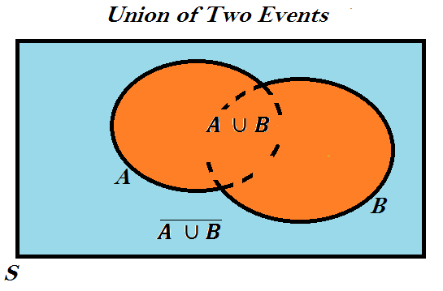
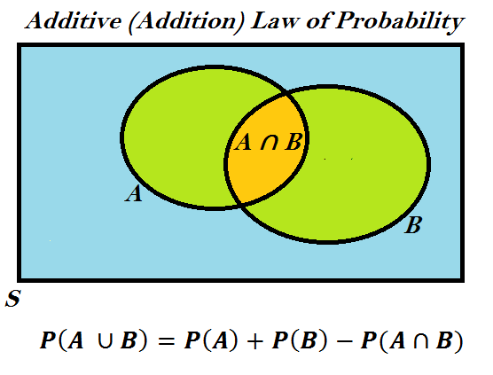
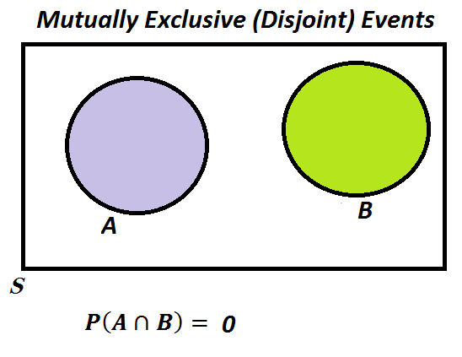
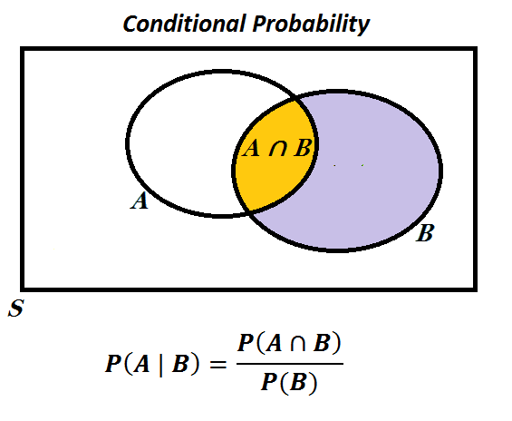
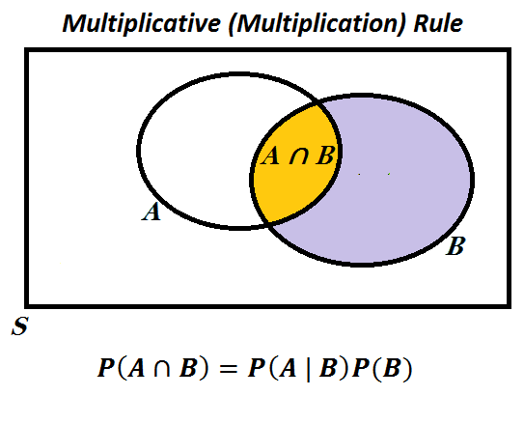
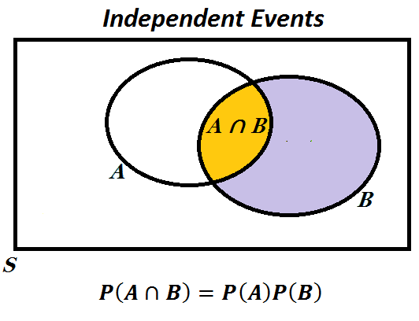
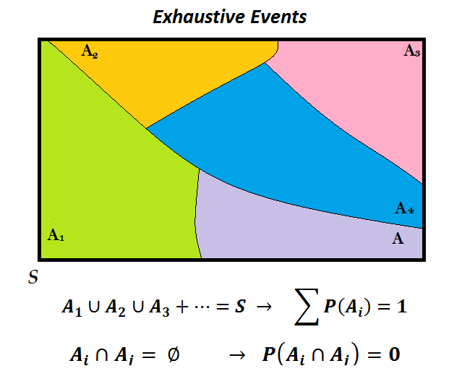
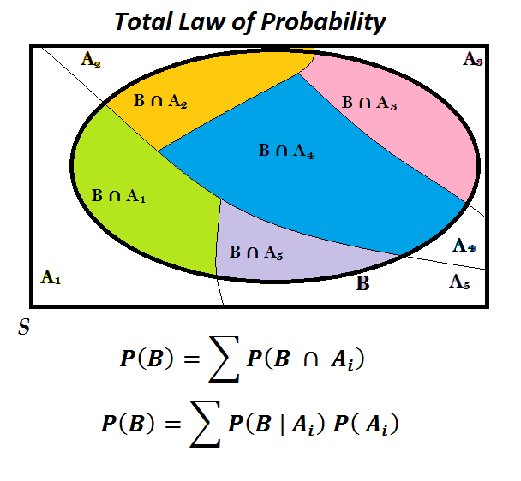
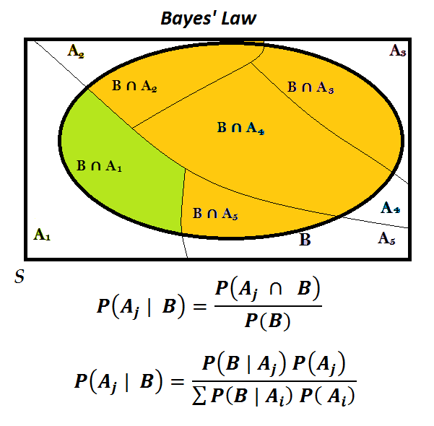
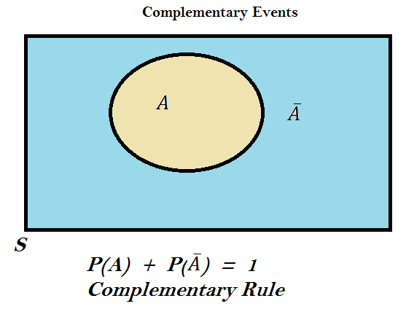
 |  |  | Smoker |  |  |  |  | According to the rule for conditional probability:
 |  |  | Yes S+ | No S- | P(C+ | S+) = 220 / (220 + 780) = |  | 0.22 | P(S+ | C+) = P(S+ ∩ C+) / P(C+)
 | Develop Cancer | Yes C+ | 220 | 112 | P(C+| S-) = 112 / (112 + 888) = |  | 0.112 | = P(C+ ∩ S+) / P(C+)
 |  | No C- | 780 | 888 |  |  |  | Apply the Multiplicative Law to the numerator:
 |  |  | Table 1 |  |  | Use Table 1 to calculate: |  | P(C+ ∩ S+) = P(C+ | S+) P(S+) = (0.22)(0.3) = 0.066
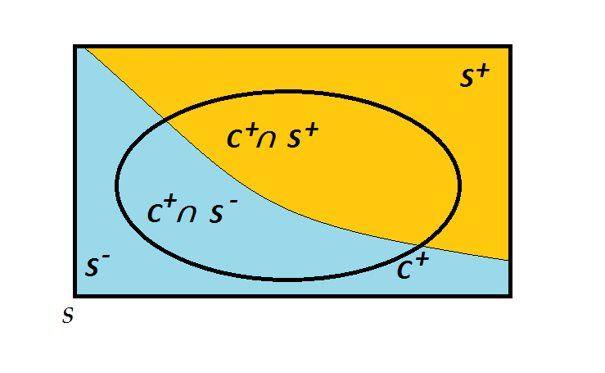
 |  |  |  |  |  | The percentage of cancer patients who were smokers.

 |  |  |  |  |  | P(S+ | C+) = 220 / (220 + 112) = | 66.3% | Apply the Law of Total probability to the denominator:
 |  |  |  |  |  | Note that the above conditional probability is based on the available
 |  |  |  |  |  | information in Table 1 that implies that the percentage of smokers in |  | P(C+) = P(C+ ∩ S+) + P(C+ ∩ S-)
 |  |  |  |  |  | the population is: P(S+) = (220+78) / 2000 = 50%. |  | P(C+) = P(C+ | S+) P(S+) + P(C+ | S-) P(S-)
 |  |  |  |  |  |  |  | P(C+) = (0.22) (0.3) + (0.112) (0.7) = | 0.1444
 |  |  |  |  |  | Now, suppose that 30% of the adult population are smokers.
 |  |  |  |  |  | What percentage of cancer patients who would consist smokers? |  | According to the Bayes' Law, the posterior probability of P(S+ | C+) is:
 |  |  |  |  |  | P(S+) = 0.3 → P(S-) = 1- 0.3 = 0.7 |  | P(S+ | C+) = (0.066) / (0.1444) = | 0.45706371191
 |  |  |  |  |  | We must use the Bayes' law to calculate the postrior probability
 |  |  |  |  |  | of P(S+ | C+) . |  | That is, about 46% of cancer patients have been smokers

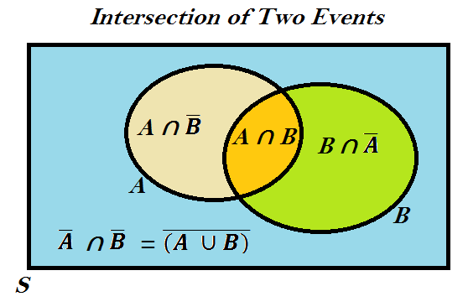
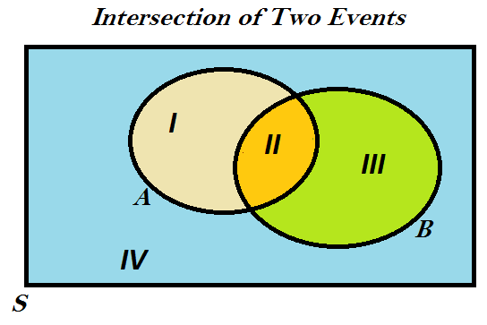

Example: A: The individual is smoker
B: The individual develops cancer

